Read Me
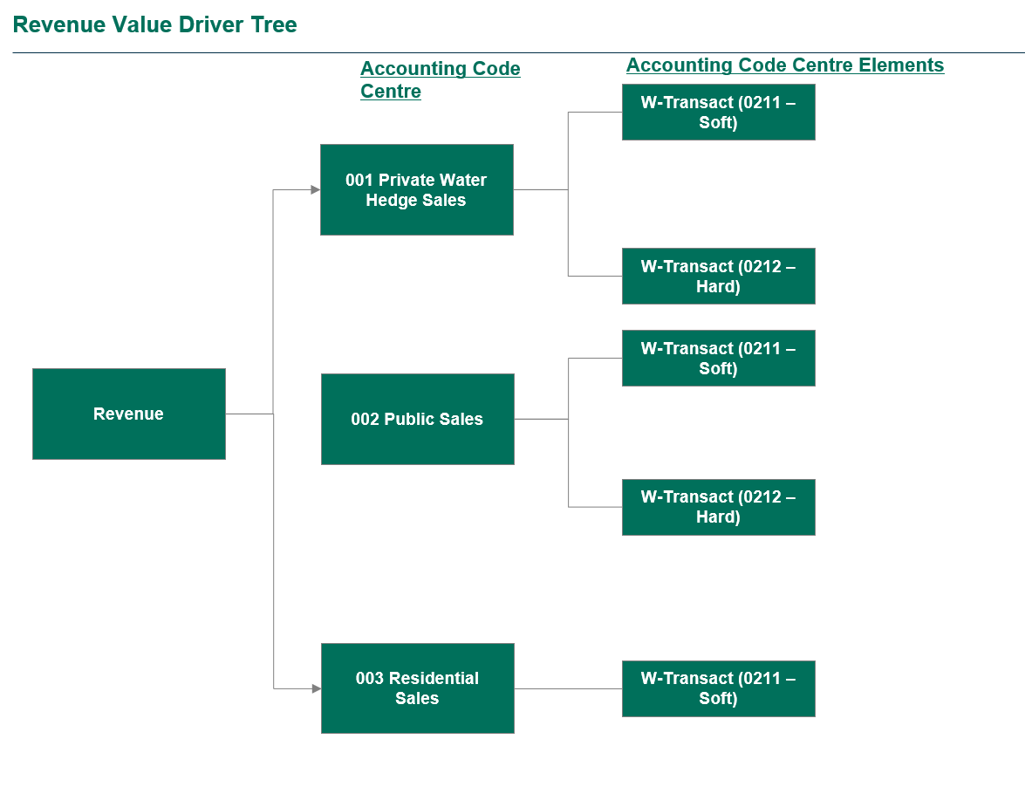
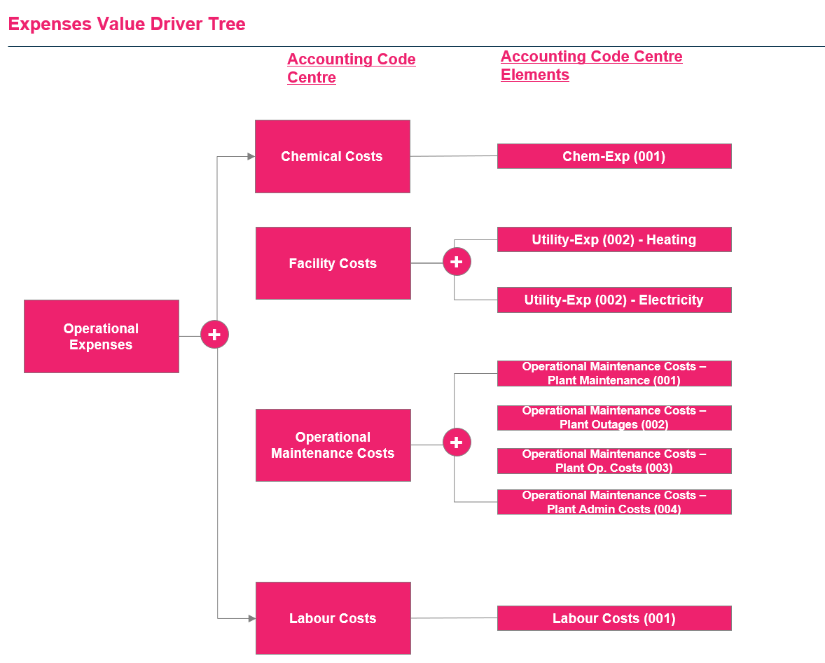
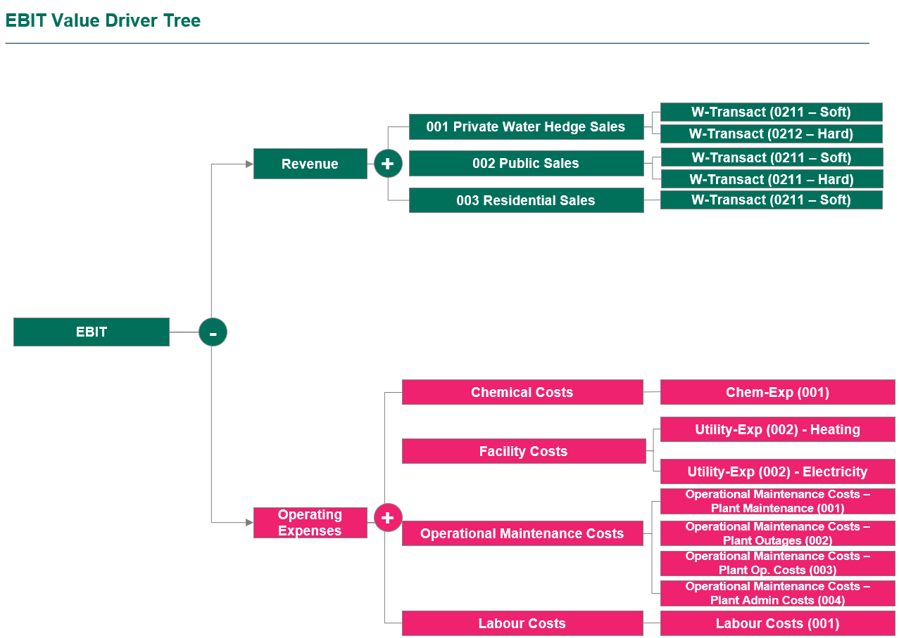
Southern Water Corp. Financial Analysis
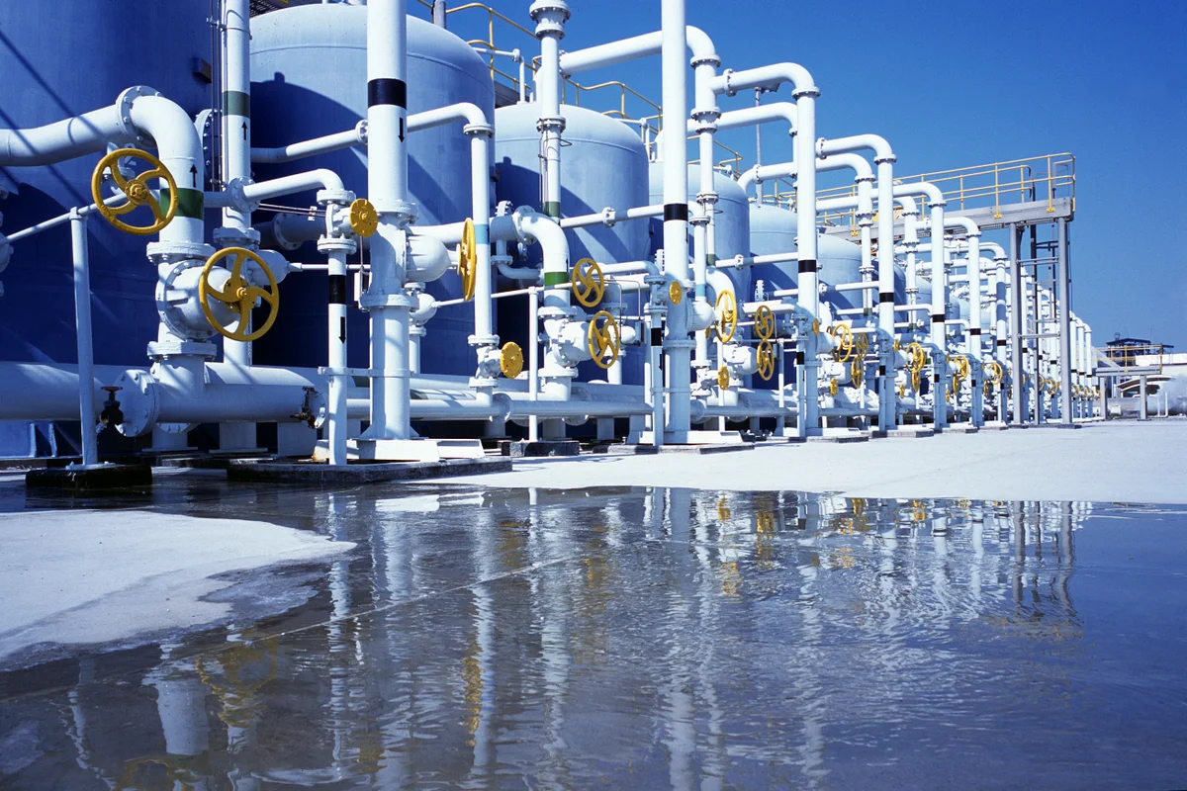

In this unit, you've learned about the fundamentals of financial analysis spanning revenues, expenses and profitability.
In this case study, we'll seek to unpack these concepts, combining the financial analysis skills you've learned and have you apply this through your budding Excel capabilities!
This case study will emphasise both your use of the SUMIFS Formula as well as your charting capabilities, where you'll use these charts for a PowerPoint presentation you'll create at the end of this analysis!
Good luck and let's get started!

What do the tab colours in this workbook mean?
Throughout the Case Study, we've split this into three sections. As you cover the relevant financial concepts, you'll apply what you've learned in the exercise tabs. The order of completion is below: 1) Revenue Sub Unit - Revenue Analysis 2) Expense Sub Unit - Expense Analysis 3) Profitability Sub Unit - Profitability (EBIT) Analysis
Unpacking the Data Repository Table
The data repository table might look scary at first, but all the data is logically grouped in a manner where the table can be read left-to-right.
We've included an example below to break down how you can interpret this information.

Definitions
We've included a high-level breakdown that explains the different columns you will deal with in the data repository table. Please read through this and familiarise yourself with what these columns mean.

Account Type | This column provides information on whether the dataset is referencing Financial Actuals (Money Spent) or Water Actuals (Volume of Water Produced).
Value Drivers | This is a pre-filled column mapping each Accounting Centre Code and Accounting Centre Code Element to either a Revenue Generating Activity (Revenues) or Cost Generating Activity (Expenses).
Unit | There are three desalination units or plants (facilities) owned by Southern Water Corp. These are the Kootha, Surjek and Jutik desalination units. The Unit column indicates, for that row of data, which Unit it applies towards.
Month | This represents the month that data was calculated for.
Month (Number) | This represents the month in numerical form.
Accounting Code Centre | Every row is mapped to an Accounting Code Centre. Based off the Accounting Code Centre (ACC) and the textual description, we know that all ACC's that mention Sales, are Profit Centres, and all ACC's that mention Costs, are Cost Centres. In Financial Accounting, Revenue Generating Activities are mapped to Profit Centres (i.e. They generate profit), whilst Cost Generating Activities are mapped to Cost Centres (i.e. They generate costs).
Accounting Code Centre Element | An Accounting Code Centre Element (ACCE) is made up of 'elements' which tie into the Accounting Code Centre.
Unit of Measure | Every Row of Data has a Unit of Measure (UoM) associated with this. E.g. Financial data is measured in dollars, whilst Water Production data is measure in Giga-Litres.
Row Data | This is the unique value that is stored for every row entry.

Value Driver Trees
Below we've included the Value Driver Trees for Revenues, Expenses and Profitability Analysis, to better help you understand how the dataset is all connected. Use this if you're feeling unsure of how to calculate Revenues, Expenses or Profitability.

Revenue Analysis
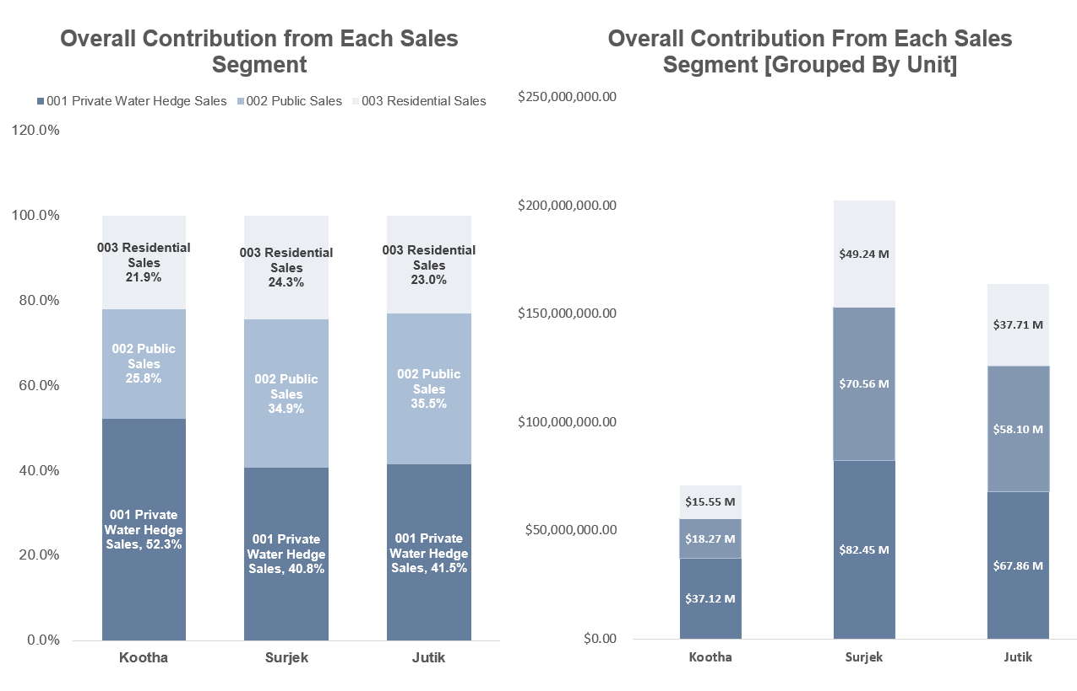
Revenue Analysis - Part I
In Financial Data Analysis, Revenue Analysis speaks primarily to understanding which product(s) generate the most revenues and whether we can identify any aspect of seasonality towards these trends or not.
The importance of this is that we are able to clearly understand which product(s) generate the most revenues and least revenues and this forms the first part of our puzzle.
If a product generates a lot of revenues, but the expenses are greater than the revenues - this isn't a good news story.
However, if the product generates a lot of revenues, and the expenses are well below the revenues - we may have a product which is performing well.
Let's take a look at how Southern Water Corps Revenue Analysis looks like by calculating the Revenues for each of the products and asking ourselves - what does the data tell us?
Let's get started!
Q1. For each of the three Southern Water Corp. Desalination Plants, they produce desalinated water which is then consumed via private, public or residential usage. Please calculate the monthly revenues for Kootha, Surjek and Jutik and put this in the table below.
Hint: You'll be utilizing the SUMIFS function here to assist you with the exercise. Remember the Syntax follows: =SUMIFS(Sum_Range, Criteria_Range_1, Criteria…)
Unit | Value Driver | Accounting Code Centre | Accounting Code Centre Element | Jul-13 | Aug-13 | Sep-13 | Oct-13 | Nov-13 | Dec-13 | Jan-14 | Feb-14 | Mar-14 | Apr-14 | May-14 | Jun-14
 |  |  |  |  |  |  |  |  |  |  |  |  |  |  |  | Total
Kootha | Revenue | 001 Private Water Hedge Sales | W-Transact (0211) - Soft | $1,473,589.05 | $1,419,296.10 | $1,310,673.21 | $1,301,024.73 | $1,373,822.86 | $1,340,623.04 | $1,948,962.55 | $1,725,161.70 | $1,818,208.62 | $1,328,501.68 | $1,344,117.28 | $1,291,609.13 | $17,675,589.96
Kootha | Revenue | 001 Private Water Hedge Sales | W-Transact (0212) - Hard | $1,620,947.95 | $1,561,225.71 | $1,441,740.53 | $1,431,127.21 | $1,511,205.15 | $1,474,685.34 | $2,143,858.81 | $1,897,677.87 | $2,000,029.48 | $1,461,351.85 | $1,478,529.01 | $1,420,770.05 | $19,443,148.95
Kootha | Revenue | 002 Public Sales | W-Transact (0211) - Soft | $567,331.78 | $546,429.00 | $504,609.19 | $500,894.52 | $528,921.80 | $516,139.87 | $750,350.58 | $664,187.25 | $700,010.32 | $511,473.15 | $517,485.15 | $497,269.52 | $6,805,102.13
Kootha | Revenue | 002 Public Sales | W-Transact (0212) - Hard | $955,954.05 | $920,732.86 | $850,266.48 | $844,007.27 | $891,233.24 | $869,695.68 | $1,264,340.73 | $1,119,155.52 | $1,179,517.39 | $861,832.25 | $871,962.48 | $837,899.14 | $11,466,597.09
Kootha | Revenue | 003 Residential Sales | W-Transact (0211) - Soft | $1,296,758.36 | $1,248,980.57 | $1,153,392.42 | $1,144,901.76 | $1,208,964.12 | $1,179,748.27 | $1,715,087.05 | $1,518,142.29 | $1,600,023.59 | $1,169,081.48 | $1,182,823.21 | $1,136,616.04 | $15,554,519.16

Surjek | Revenue | 001 Private Water Hedge Sales | W-Transact (0211) - Soft | $2,406,673.75 | $2,028,377.01 | $2,241,097.24 | $2,104,393.51 | $1,921,236.22 | $2,161,522.17 | $3,104,730.23 | $2,116,798.71 | $2,728,427.89 | $2,259,504.87 | $2,031,569.24 | $2,245,023.23 | $27,349,354.05
Surjek | Revenue | 001 Private Water Hedge Sales | W-Transact (0212) - Hard | $4,813,347.49 | $4,056,754.01 | $4,482,194.48 | $4,208,787.02 | $3,842,472.45 | $4,323,044.34 | $6,209,460.45 | $4,633,597.43 | $5,456,855.77 | $4,519,009.74 | $4,063,138.47 | $4,490,046.47 | $55,098,708.10
Surjek | Revenue | 002 Public Sales | W-Transact (0211) - Soft | $2,117,872.90 | $1,784,971.76 | $1,972,165.57 | $1,851,866.29 | $1,690,687.88 | $1,902,139.51 | $2,732,162.60 | $2,478,782.87 | $2,401,016.54 | $1,988,364.28 | $1,787,780.93 | $1,975,620.44 | $24,683,431.57
Surjek | Revenue | 002 Public Sales | W-Transact (0212) - Hard | $3,850,677.99 | $3,245,403.21 | $3,585,755.58 | $3,367,029.62 | $3,073,977.96 | $3,458,435.47 | $4,967,568.36 | $4,506,877.94 | $4,365,484.62 | $4,615,207.79 | $3,250,510.78 | $3,592,037.17 | $45,878,966.48
Surjek | Revenue | 003 Residential Sales | W-Transact (0211) - Soft | $4,139,478.84 | $3,488,808.45 | $3,854,687.25 | $3,619,556.84 | $3,304,526.30 | $3,717,818.13 | $5,340,135.99 | $4,844,893.79 | $4,692,895.96 | $4,886,348.37 | $3,494,299.08 | $3,861,439.96 | $49,244,888.97

Jutik | Revenue | 001 Private Water Hedge Sales | W-Transact (0211) - Soft | $1,766,228.72 | $1,951,422.76 | $1,699,371.24 | $1,502,189.20 | $1,650,239.51 | $1,406,546.09 | $2,151,540.20 | $2,191,228.23 | $1,965,526.62 | $2,084,911.36 | $2,053,699.35 | $2,197,266.92 | $22,620,170.19
Jutik | Revenue | 001 Private Water Hedge Sales | W-Transact (0212) - Hard | $3,532,457.44 | $3,902,845.52 | $3,398,742.48 | $3,004,378.41 | $3,300,479.01 | $2,813,092.17 | $4,303,080.39 | $4,382,456.45 | $3,931,053.23 | $4,169,822.72 | $4,107,398.71 | $4,394,533.85 | $45,240,340.38
Jutik | Revenue | 002 Public Sales | W-Transact (0211) - Soft | $1,554,281.27 | $1,717,252.03 | $1,495,446.69 | $1,321,926.50 | $1,452,210.77 | $1,237,760.55 | $1,893,355.37 | $1,928,280.84 | $1,729,663.42 | $1,834,722.00 | $1,807,255.43 | $1,933,594.89 | $19,905,749.77
Jutik | Revenue | 002 Public Sales | W-Transact (0212) - Hard | $2,825,965.95 | $2,122,276.42 | $3,718,993.98 | $3,403,502.73 | $2,640,383.21 | $3,250,473.74 | $3,442,464.31 | $3,505,965.16 | $3,144,842.59 | $3,335,858.18 | $3,285,918.97 | $3,515,627.08 | $38,192,272.31
Jutik | Revenue | 003 Residential Sales | W-Transact (0211) - Soft | $3,037,913.40 | $3,356,447.15 | $2,922,918.53 | $2,583,765.43 | $2,838,411.95 | $2,419,259.27 | $3,700,649.14 | $3,768,912.55 | $3,380,705.78 | $3,586,047.54 | $3,032,362.89 | $3,079,299.11 | $37,706,692.73

You've now calculated the Revenues for each of the three desalination plants (Kootha, Surjek and Jutik). This has given you a micro-view of the trends, but let's take a look at the macro-revenue trends and view all this information aggregated together. In the next question, you're aggregating the revenues at the Accounting Code Centre Level, where in the previous question, we went all the way to the Accounting Code Centre Element Level.
Q2. Just as you did for Q1 above, calculate the monthly revenues for Kootha, Surjek and Jutik at the Accounting Code Centre Level and put this in the table below.
Unit | Value Driver | Accounting Code Centre |  | Jul-13 | Aug-13 | Sep-13 | Oct-13 | Nov-13 | Dec-13 | Jan-14 | Feb-14 | Mar-14 | Apr-14 | May-14 | Jun-14
 |  |  |  |  |  |  |  |  |  |  |  |  |  |  |  | Total
Kootha | Revenue | 001 Private Water Hedge Sales |  | $3,094,537.00 | $2,980,521.81 | $2,752,413.74 | $2,732,151.94 | $2,885,028.01 | $2,815,308.38 | $4,092,821.36 | $3,622,839.56 | $3,818,238.10 | $2,789,853.53 | $2,822,646.29 | $2,712,379.18 | $37,118,738.91
Kootha | Revenue | 002 Public Sales |  | $1,523,285.84 | $1,467,161.86 | $1,354,875.66 | $1,344,901.79 | $1,420,155.04 | $1,385,835.55 | $2,014,691.31 | $1,783,342.78 | $1,879,527.71 | $1,373,305.40 | $1,389,447.64 | $1,335,168.65 | $18,271,699.23
Kootha | Revenue | 003 Residential Sales |  | $1,296,758.36 | $1,248,980.57 | $1,153,392.42 | $1,144,901.76 | $1,208,964.12 | $1,179,748.27 | $1,715,087.05 | $1,518,142.29 | $1,600,023.59 | $1,169,081.48 | $1,182,823.21 | $1,136,616.04 | $15,554,519.16
Surjek | Revenue | 001 Private Water Hedge Sales |  | $7,220,021.24 | $6,085,131.02 | $6,723,291.72 | $6,313,180.53 | $5,763,708.67 | $6,484,566.51 | $9,314,190.68 | $6,750,396.14 | $8,185,283.66 | $6,778,514.60 | $6,094,707.71 | $6,735,069.70 | $82,448,062.15
Surjek | Revenue | 002 Public Sales |  | $5,968,550.89 | $5,030,374.97 | $5,557,921.15 | $5,218,895.90 | $4,764,665.83 | $5,360,574.98 | $7,699,730.96 | $6,985,660.81 | $6,766,501.16 | $6,603,572.07 | $5,038,291.70 | $5,567,657.62 | $70,562,398.05
Surjek | Revenue | 003 Residential Sales |  | $4,139,478.84 | $3,488,808.45 | $3,854,687.25 | $3,619,556.84 | $3,304,526.30 | $3,717,818.13 | $5,340,135.99 | $4,844,893.79 | $4,692,895.96 | $4,886,348.37 | $3,494,299.08 | $3,861,439.96 | $49,244,888.97
Jutik | Revenue | 001 Private Water Hedge Sales |  | $5,298,686.16 | $5,854,268.28 | $5,098,113.72 | $4,506,567.61 | $4,950,718.52 | $4,219,638.26 | $6,454,620.58 | $6,573,684.68 | $5,896,579.85 | $6,254,734.08 | $6,161,098.06 | $6,591,800.77 | $67,860,510.57
Jutik | Revenue | 002 Public Sales |  | $4,380,247.23 | $3,839,528.45 | $5,214,440.67 | $4,725,429.23 | $4,092,593.98 | $4,488,234.29 | $5,335,819.68 | $5,434,246.00 | $4,874,506.01 | $5,170,580.17 | $5,093,174.40 | $5,449,221.97 | $58,098,022.07
Jutik | Revenue | 003 Residential Sales |  | $3,037,913.40 | $3,356,447.15 | $2,922,918.53 | $2,583,765.43 | $2,838,411.95 | $2,419,259.27 | $3,700,649.14 | $3,768,912.55 | $3,380,705.78 | $3,586,047.54 | $3,032,362.89 | $3,079,299.11 | $37,706,692.73

Having performed some basic time series analysis where we've analyzed the data at a monthly level; it's time to visualize this using some charts.
Whilst tables are an excellent way to visualize data, charts are more intuitive and allow us to identify specific trends that aren't as apparent in tabular form.
Q3. Create one line chart for each unit (Kootha, Surjek, Jutik) depicting the sales for 001 Private Water Hedge Sales, 002 Public Sales and 003 Residential Sales from the July-13 to Jun-14 period. Do you notice any period where sales are particularly high?
Hint: We recommend using line charts to best illustrate the sales for each unit, segmented by customer type (i.e. Private / Public / Residential )
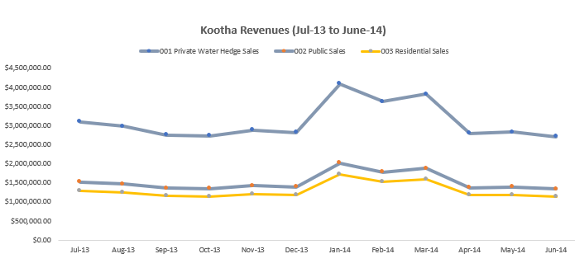
Kootha revenue
 | 001 Private Water Hedge Sales | 002 Public Sales | 003 Residential Sales
Jul-13 | $3,094,537.00 | $1,523,285.84 | $1,296,758.36
Aug-13 | $2,980,521.81 | $1,467,161.86 | $1,248,980.57
Sep-13 | $2,752,413.74 | $1,354,875.66 | $1,153,392.42
Oct-13 | $2,732,151.94 | $1,344,901.79 | $1,144,901.76
Nov-13 | $2,885,028.01 | $1,420,155.04 | $1,208,964.12
Dec-13 | $2,815,308.38 | $1,385,835.55 | $1,179,748.27
Jan-14 | $4,092,821.36 | $2,014,691.31 | $1,715,087.05
Feb-14 | $3,622,839.56 | $1,783,342.78 | $1,518,142.29
Mar-14 | $3,818,238.10 | $1,879,527.71 | $1,600,023.59
Apr-14 | $2,789,853.53 | $1,373,305.40 | $1,169,081.48
May-14 | $2,822,646.29 | $1,389,447.64 | $1,182,823.21
Jun-14 | $2,712,379.18 | $1,335,168.65 | $1,136,616.04
Surjek Revenue
 | 001 Private Water Hedge Sales | 002 Public Sales | 003 Residential Sales
Jul-13
Aug-13 | $7,220,021.24 | $5,968,550.89 | $4,139,478.84
Sep-13 | $6,085,131.02 | $5,030,374.97 | $3,488,808.45
Oct-13 | $6,723,291.72 | $5,557,921.15 | $3,854,687.25
Nov-13 | $6,313,180.53 | $5,218,895.90 | $3,619,556.84
Dec-13 | $5,763,708.67 | $4,764,665.83 | $3,304,526.30
Jan-14 | $6,484,566.51 | $5,360,574.98 | $3,717,818.13
Feb-14 | $9,314,190.68 | $7,699,730.96 | $5,340,135.99
Mar-14 | $6,750,396.14 | $6,985,660.81 | $4,844,893.79
Apr-14 | $8,185,283.66 | $6,766,501.16 | $4,692,895.96
May-14 | $6,778,514.60 | $6,603,572.07 | $4,886,348.37
Jun-14 | $6,094,707.71 | $5,038,291.70 | $3,494,299.08
 | $6,735,069.70 | $5,567,657.62 | $3,861,439.96
Jutik Revenue
 | 001 Private Water Hedge Sales | 002 Public Sales | 003 Residential Sales
Jul-13
Aug-13 | $5,298,686.16 | $4,380,247.23 | $3,037,913.40
Sep-13 | $5,854,268.28 | $3,839,528.45 | $3,356,447.15
Oct-13 | $5,098,113.72 | $5,214,440.67 | $2,922,918.53
Nov-13 | $4,506,567.61 | $4,725,429.23 | $2,583,765.43
Dec-13 | $4,950,718.52 | $4,092,593.98 | $2,838,411.95
Jan-14 | $4,219,638.26 | $4,488,234.29 | $2,419,259.27
Feb-14 | $6,454,620.58 | $5,335,819.68 | $3,700,649.14
Mar-14 | $6,573,684.68 | $5,434,246.00 | $3,768,912.55
Apr-14 | $5,896,579.85 | $4,874,506.01 | $3,380,705.78
May-14 | $6,254,734.08 | $5,170,580.17 | $3,586,047.54
Jun-14 | $6,161,098.06 | $5,093,174.40 | $3,032,362.89
 | $6,591,800.77 | $5,449,221.97 | $3,079,299.11
Kootha revenue
 | Surjek | Surjek | Surjek
Jul-13
Aug-13 | $7,220,021.24 | $5,968,550.89 | $4,139,478.84
Sep-13 | $6,085,131.02 | $5,030,374.97 | $3,488,808.45
Oct-13 | $6,723,291.72 | $5,557,921.15 | $3,854,687.25
Nov-13 | $6,313,180.53 | $5,218,895.90 | $3,619,556.84
Dec-13 | $5,763,708.67 | $4,764,665.83 | $3,304,526.30
Jan-14 | $6,484,566.51 | $5,360,574.98 | $3,717,818.13
Feb-14 | $9,314,190.68 | $7,699,730.96 | $5,340,135.99
Mar-14 | $6,750,396.14 | $6,985,660.81 | $4,844,893.79
Apr-14 | $8,185,283.66 | $6,766,501.16 | $4,692,895.96
May-14 | $6,778,514.60 | $6,603,572.07 | $4,886,348.37
Jun-14 | $6,094,707.71 | $5,038,291.70 | $3,494,299.08
 | $6,735,069.70 | $5,567,657.62 | $3,861,439.96

In the previous exercise we've picked up some trends from observing the monthly revenues trended over a twelve month period.
Specifically, it's clear that one of the Unit(s) generates the majority of the revenues for Southern Water Corp.
However, it's important for us to understand the contribution each customer segment provides from a % standpoint as well as a dollar stand point.
Let's close out the Revenue Analysis with the below question.
Q4. Calculate the overall % contribution of each customer segment for each of the three (3) units listed below and create two (2) stacked column chart showing the contributions that each customer segment provides per unit on a dollar basis, and a percentage basis.

 | 001 Private Water Hedge Sales | 002 Public Sales | 003 Residential Sales | Total
Kootha | $37,118,738.91 | $18,271,699.23 | $15,554,519.16 | $70,944,957.30
Surjek | $82,448,062.15 | $70,562,398.05 | $49,244,888.97 | $202,255,349.17
Jutik | $67,860,510.57 | $58,098,022.07 | $37,706,692.73 | $163,665,225.38

 | 001 Private Water Hedge Sales | 002 Public Sales | 003 Residential Sales | Total
Kootha | 52.3% | 25.8% | 21.9% | 100%
Surjek | 40.8% | 34.9% | 24.3% | 100%
Jutik | 41.5% | 35.5% | 23.0% | 100%
Overall Contribution from Each Sales Segment
Overall Contribution From Each Sales Segment (Gouped by Unit)

Expenses Analysis
Expenses Analysis - Part II
Expense Analysis speaks primarily to understanding which product(s) are the most expensive to operate and maintain.
Think about this as your personal budget; You want to know exactly where your money is being spent.
As we mentioned in the last section; we've calculated the revenues and know which of our products generate the most revenues at a Unit Level (Kootha, Surjek, Jutik). But it is equally important for us to understand what is our expenses at a unit level. If our expenses outweigh our revenues - this is not a good outcome.If a product generates a lot of revenues, but the expenses are greater than the revenues - this isn't a good news story.

Now let's take a look at how Southern Water Corps Expenses look like by calculating the Expenses for each of the Units and asking ourselves - what does the data tell us?
Note: You may notice some trends with respect to higher costs for those units which produce a specific type of water.
Let's get started!

Q5. For each of the three Southern Water Corp. Desalination Plants, they produce desalinated water which is then consumed via private, public or residential usage. These costs are then aggregated at a Unit Level, separated into Chemical Costs, Facility Costs, Operational Maintenance Costs and Labour Costs. Please calculate the monthly expenses for Kootha, Surjek and Jutik and put this in the table below.
Note: You can reference the Expenses Value Driver Tree in the Read Me tab if you need assistance.
Unit | Value Driver | Accounting Code Centre | Accounting Code Centre Element |  | Jul-13 | Aug-13 | Sep-13 | Oct-13 | Nov-13 | Dec-13 | Jan-14 | Feb-14 | Mar-14 | Apr-14 | May-14 | Jun-14 | Total

Kootha | Expenses | Chemical Costs | Chem-Exp (001) |  | $593,751.84 | $820,393.03 | $642,291.58 | $609,639.97 | $626,073.17 | $602,153.38 | $1,146,143.98 | $964,931.84 | $962,733.96 | $964,825.22 | $1,024,534.78 | $1,168,045.23 | $10,125,517.98
Kootha | Expenses | Facility Costs | Utility-Exp (002) - Heating |  | $276,807.38 | $382,467.61 | $299,436.64 | $284,214.44 | $291,875.60 | $280,724.19 | $534,332.86 | $449,851.67 | $448,827.02 | $449,801.97 | $477,638.59 | $544,543.23 | $4,720,521.20
Kootha | Expenses | Facility Costs | Utility-Exp (002) - Electricity |  | $415,211.08 | $573,701.42 | $449,154.95 | $426,321.66 | $437,813.40 | $421,086.28 | $801,499.29 | $674,777.51 | $673,240.53 | $674,702.95 | $716,457.89 | $816,814.84 | $7,080,781.81
Kootha | Expenses | Operational Maintenance Costs | Plant Maintenance (001) |  | $360,688.41 | $498,366.89 | $390,175.01 | $370,340.03 | $380,322.76 | $365,792.12 | $459,526.26 | $386,872.44 | $385,991.24 | $386,829.69 | $410,769.19 | $468,307.18 | $4,863,981.21
Kootha | Expenses | Operational Maintenance Costs | Plant Outages (002) |  | $226,478.77 | $312,928.05 | $244,993.61 | $232,539.09 | $238,807.31 | $229,683.42 | $288,539.74 | $242,919.90 | $242,366.59 | $242,893.06 | $257,924.84 | $294,053.34 | $3,054,127.74
Kootha | Expenses | Operational Maintenance Costs | Plant Op. Costs (003) |  | $255,837.13 | $353,492.80 | $276,752.04 | $262,683.04 | $269,763.82 | $259,457.20 | $325,943.04 | $274,409.52 | $273,784.48 | $274,379.20 | $291,359.54 | $332,171.37 | $3,450,033.18
Kootha | Expenses | Operational Maintenance Costs | Plant Admin Costs (004) |  | $176,150.15 | $243,388.48 | $190,550.59 | $180,863.73 | $185,739.02 | $178,642.66 | $224,419.80 | $188,937.70 | $188,507.35 | $188,916.83 | $200,608.21 | $228,708.16 | $2,375,432.68
Kootha | Expenses | Labour Costs | Labour-Costs (001) |  | $1,153,364.10 | $1,593,615.06 | $1,247,652.65 | $1,184,226.83 | $1,216,148.35 | $1,169,684.11 | $1,469,415.36 | $1,237,092.10 | $1,234,274.31 | $1,236,955.41 | $1,313,506.13 | $1,497,493.88 | $15,553,428.29
Total |  |  | Total |  | $3,458,288.87 | $4,778,353.35 | $3,741,007.06 | $3,550,828.79 | $3,646,543.43 | $3,507,223.36 | $5,249,820.35 | $4,419,792.68 | $4,409,725.47 | $4,419,304.32 | $4,692,799.18 | $5,350,137.22 | $51,223,824.09

Surjek | Expenses | Chemical Costs | Chem-Exp (001) |  | $2,533,034.51 | $3,051,574.16 | $3,084,202.76 | $4,135,202.77 | $4,473,275.89 | $3,464,957.93 | $4,049,642.83 | $4,767,948.22 | $4,346,722.81 | $4,671,541.13 | $5,478,104.60 | $2,269,805.17 | $46,326,012.78
Surjek | Expenses | Facility Costs | Utility-Exp (002) - Heating |  | $1,266,517.26 | $1,525,787.08 | $1,542,101.38 | $2,067,601.38 | $2,236,637.95 | $1,732,478.96 | $2,024,821.41 | $2,383,974.11 | $2,173,361.40 | $2,335,770.56 | $2,739,052.30 | $1,134,902.58 | $23,163,006.39
Surjek | Expenses | Facility Costs | Utility-Exp (002) - Electricity |  | $1,055,431.05 | $1,271,489.23 | $1,285,084.48 | $1,723,001.15 | $1,863,864.96 | $1,443,732.47 | $1,687,351.18 | $1,986,645.09 | $1,811,134.50 | $1,946,475.47 | $2,282,543.59 | $945,752.15 | $19,302,505.32
Surjek | Expenses | Operational Maintenance Costs | Plant Maintenance (001) |  | $996,326.91 | $1,200,285.84 | $1,213,119.75 | $1,626,513.09 | $1,759,488.52 | $1,362,883.45 | $1,592,859.51 | $1,875,392.97 | $1,709,710.97 | $1,837,472.84 | $2,154,721.14 | $892,790.03 | $18,221,565.02
Surjek | Expenses | Operational Maintenance Costs | Plant Outages (002) |  | $869,931.04 | $1,048,015.37 | $1,059,221.15 | $1,420,170.65 | $1,536,276.57 | $785,390.46 | $734,335.23 | $864,587.94 | $788,205.74 | $847,106.12 | $993,362.97 | $514,489.17 | $11,461,092.42
Surjek | Expenses | Operational Maintenance Costs | Plant Op. Costs (003) |  | $921,103.46 | $1,109,663.33 | $1,121,528.28 | $1,503,710.10 | $1,626,645.78 | $831,589.90 | $777,531.42 | $915,446.06 | $834,570.78 | $896,935.90 | $1,051,796.08 | $544,753.24 | $12,135,274.33
Surjek | Expenses | Operational Maintenance Costs | Plant Admin Costs (004) |  | $498,931.04 | $601,067.64 | $607,494.48 | $814,509.64 | $881,099.80 | $450,444.53 | $421,162.85 | $495,866.62 | $452,059.17 | $485,840.28 | $569,722.88 | $295,074.67 | $6,573,273.59
Surjek | Expenses | Labour Costs | Labour-Costs (001) |  | $3,198,275.90 | $3,852,997.68 | $3,894,195.40 | $5,221,215.61 | $5,648,075.62 | $2,887,464.94 | $2,699,761.88 | $3,178,632.15 | $2,897,815.21 | $3,114,360.75 | $3,652,069.74 | $1,891,504.31 | $42,136,369.19
 |  |  | Total |  | $11,339,551.17 | $13,660,880.33 | $13,806,947.68 | $18,511,924.38 | $20,025,365.09 | $12,958,942.64 | $13,987,466.32 | $16,468,493.16 | $15,013,580.58 | $16,135,503.05 | $18,921,373.30 | $8,489,071.32 | $179,319,099.04
 |  |  |  |  |  |  |  |  |  |  |  |  |  |  |  |  | Total
Jutik | Expenses | Chemical Costs | Chem-Exp (001) |  | $1,625,596.34 | $1,295,067.85 | $1,750,624.88 | $1,472,529.39 | $1,252,200.49 | $1,406,782.67 | $1,877,449.50 | $1,912,219.18 | $2,266,625.20 | $2,234,200.57 | $2,593,715.64 | $2,274,807.79 | $21,961,819.50
Jutik | Expenses | Facility Costs | Utility-Exp (002) - Heating |  | $895,736.76 | $713,608.81 | $964,630.04 | $811,393.74 | $689,988.03 | $775,165.96 | $1,034,512.99 | $888,365.67 | $1,248,956.74 | $680,069.70 | $878,169.84 | $1,253,465.51 | $10,834,063.81
Jutik | Expenses | Facility Costs | Utility-Exp (002) - Electricity |  | $829,385.89 | $660,748.90 | $893,175.96 | $751,290.50 | $638,877.80 | $717,746.26 | $957,882.40 | $822,560.80 | $1,156,441.43 | $629,694.17 | $813,120.23 | $1,160,616.22 | $10,031,540.56
Jutik | Expenses | Operational Maintenance Costs | Plant Maintenance (001) |  | $716,589.41 | $570,887.05 | $771,704.03 | $649,115.00 | $551,990.42 | $620,132.77 | $827,610.39 | $710,692.53 | $999,165.39 | $544,055.76 | $702,535.88 | $1,002,772.41 | $8,667,251.04
Jutik | Expenses | Operational Maintenance Costs | Plant Outages (002) |  | $251,329.06 | $200,226.94 | $270,659.38 | $227,663.79 | $193,599.33 | $143,549.25 | $153,261.18 | $131,609.73 | $185,030.63 | $100,751.07 | $130,099.24 | $232,123.24 | $2,219,902.84
Jutik | Expenses | Operational Maintenance Costs | Plant Op. Costs (003) |  | $623,296.06 | $496,562.81 | $671,235.27 | $564,606.20 | $480,126.35 | $356,002.15 | $380,087.74 | $326,392.13 | $458,875.96 | $249,862.65 | $322,646.11 | $575,665.64 | $5,505,359.05
Jutik | Expenses | Operational Maintenance Costs | Plant Admin Costs (004) |  | $211,116.41 | $168,190.63 | $227,353.88 | $191,237.58 | $162,623.44 | $120,581.37 | $128,739.39 | $110,552.17 | $155,425.73 | $84,630.90 | $109,283.36 | $194,983.52 | $1,864,718.39
Jutik | Expenses | Labour Costs | Labour-Costs (001) |  | $3,015,948.67 | $2,402,723.28 | $3,247,912.58 | $2,731,965.47 | $2,323,192.01 | $1,722,591.03 | $1,839,134.21 | $2,579,316.74 | $2,220,367.54 | $2,209,012.81 | $2,561,190.83 | $2,785,478.92 | $29,638,834.10
 |  |  | Total |  | $8,168,998.58 | $6,508,016.27 | $8,797,296.02 | $7,399,801.66 | $6,292,597.87 | $5,862,551.47 | $7,198,677.81 | $7,481,708.95 | $8,690,888.62 | $6,732,277.63 | $8,110,761.12 | $9,479,913.26 | $90,723,489.28
You've now calculated the Expenses for each of the three desalination plants (Kootha, Surjek and Jutik). This has given you a micro-view of the trends, but let's take a look at the macro-expenses trends and view all this information aggregated together (Kootha + Surjek + Jutik) and then. Is there any particular trend(s) that we can pick up with respect to which water product(s) have the highest expenses overall?
Q6. Complete the table below, aggregating all the costs for all units for the respective Accounting Code Centre and Accounting Code Centre Elements. Upon completion of this, create a column Chart using the Year-To-Date Total showing the aggregate costs per Accounting Code Centre Element (i.e. Chem-Exp (001), Utility Exp (002) - Heating etc.)
Unit | Value Driver | Accounting Code Centre | Accounting Code Centre Element |  | Jul-13 | Aug-13 | Sep-13 | Oct-13 | Nov-13 | Dec-13 | Jan-14 | Feb-14 | Mar-14 | Apr-14 | May-14 | Jun-14
 |  |  |  |  |  |  |  |  |  |  |  |  |  |  |  |  | Total
All | Expenses | Chemical Costs | Chem-Exp (001) |  | $4,752,382.69 | $5,167,035.04 | $5,477,119.22 | $6,217,372.13 | $6,351,549.56 | $5,473,893.98 | $7,073,236.32 | $7,645,099.23 | $7,576,081.96 | $7,870,566.92 | $9,096,355.03 | $5,712,658.18 | $78,413,350.26
All | Expenses | Facility Costs | Utility-Exp (002) - Heating |  | $2,439,061.40 | $2,621,863.51 | $2,806,168.05 | $3,163,209.57 | $3,218,501.58 | $2,788,369.11 | $3,593,667.27 | $3,722,191.45 | $3,871,145.17 | $3,465,642.23 | $4,094,860.74 | $2,932,911.33 | $38,717,591.40
All | Expenses | Facility Costs | Utility-Exp (002) - Electricity |  | $2,300,028.01 | $2,505,939.56 | $2,627,415.40 | $2,900,613.32 | $2,940,556.16 | $2,582,565.01 | $3,446,732.87 | $3,483,983.40 | $3,640,816.46 | $3,250,872.59 | $3,812,121.70 | $2,923,183.21 | $36,414,827.69
All | Expenses | Operational Maintenance Costs | Plant Maintenance (001) |  | $2,073,604.72 | $2,269,539.78 | $2,374,998.79 | $2,645,968.11 | $2,691,801.70 | $2,348,808.34 | $2,879,996.17 | $2,972,957.94 | $3,094,867.60 | $2,768,358.30 | $3,268,026.21 | $2,363,869.62 | $31,752,797.28
All | Expenses | Operational Maintenance Costs | Plant Outages (002) |  | $1,347,738.87 | $1,561,170.36 | $1,574,874.14 | $1,880,373.52 | $1,968,683.22 | $1,158,623.14 | $1,176,136.16 | $1,239,117.58 | $1,215,602.96 | $1,190,750.25 | $1,381,387.04 | $1,040,665.76 | $16,735,123.00
All | Expenses | Operational Maintenance Costs | Plant Op. Costs (003) |  | $1,800,236.65 | $1,959,718.94 | $2,069,515.58 | $2,330,999.34 | $2,376,535.94 | $1,447,049.25 | $1,483,562.20 | $1,516,247.71 | $1,567,231.22 | $1,421,177.74 | $1,665,801.73 | $1,452,590.25 | $21,090,666.56
All | Expenses | Operational Maintenance Costs | Plant Admin Costs (004) |  | $886,197.60 | $1,012,646.75 | $1,025,398.95 | $1,186,610.95 | $1,229,462.26 | $749,668.57 | $774,322.05 | $795,356.49 | $795,992.25 | $759,388.00 | $879,614.45 | $718,766.35 | $10,813,424.66
All | Expenses | Labour Costs | Labour-Costs (001) |  | $7,367,588.68 | $7,849,336.02 | $8,389,760.63 | $9,137,407.91 | $9,187,415.98 | $5,779,740.07 | $6,008,311.46 | $6,995,040.99 | $6,352,457.05 | $6,560,328.97 | $7,526,766.70 | $6,174,477.11 | $87,328,631.57
Total | Total | Total | Total |  | $22,966,838.62 | $24,947,249.96 | $26,345,250.76 | $29,462,554.84 | $29,964,506.39 | $22,328,717.47 | $26,435,964.49 | $28,369,994.79 | $28,114,194.67 | $27,287,085.00 | $31,724,933.61 | $23,319,121.81 | $321,266,412.41

Aggregated Cost Centre Costs [2013-2014]

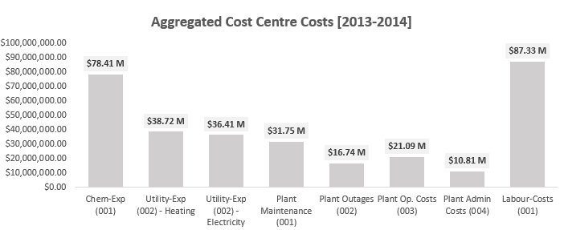

In the previous question we've now calculated the aggregate costs per month for all our desalination units (Kootha + Surjek+ Jutik).
Let's now seek to visualize how the aggregate costs per month, compare to the individual unit costs per month.
This helps us to better understand which units are contributing the most expenses.
Q7. Create one line chart that displays for the Jul-13 to Jun-14 Period, the total costs per month for each unit, Kootha, Surjek and Jutik, as well as the Overall Total per month.
Visualizing the data in this manner - do you see any particular unit that appears to contribute the majority of the costs? (i.e. One unit should emerge as the major contributor.)

Unit | Value Driver | Accounting Code Centre | Accounting Code Centre Element |  | Jul-13 | Aug-13 | Sep-13 | Oct-13 | Nov-13 | Dec-13 | Jan-14 | Feb-14 | Mar-14 | Apr-14 | May-14 | Jun-14 | Total
Kootha | Expenses |  | Total |  | $3,458,288.87 | $4,778,353.35 | $3,741,007.06 | $3,550,828.79 | $3,646,543.43 | $3,507,223.36 | $5,249,820.35 | $4,419,792.68 | $4,409,725.47 | $4,419,304.32 | $4,692,799.18 | $5,350,137.22 | $51,223,824.09
Surjek |  |  | Total |  | $11,339,551.17 | $13,660,880.33 | $13,806,947.68 | $18,511,924.38 | $20,025,365.09 | $12,958,942.64 | $13,987,466.32 | $16,468,493.16 | $15,013,580.58 | $16,135,503.05 | $18,921,373.30 | $8,489,071.32 | $179,319,099.04
Jutik |  |  | Total |  | $8,168,998.58 | $6,508,016.27 | $8,797,296.02 | $7,399,801.66 | $6,292,597.87 | $5,862,551.47 | $7,198,677.81 | $7,481,708.95 | $8,690,888.62 | $6,732,277.63 | $8,110,761.12 | $9,479,913.26 | $90,723,489.28
Overall |  |  | Total |  | $22,966,838.62 | $24,947,249.96 | $26,345,250.76 | $29,462,554.84 | $29,964,506.39 | $22,328,717.47 | $26,435,964.49 | $28,369,994.79 | $28,114,194.67 | $27,287,085.00 | $31,724,933.61 | $23,319,121.81 | $321,266,412.41
Aggregate Cost Per Unit [Accounting Code Centre Element Totals]
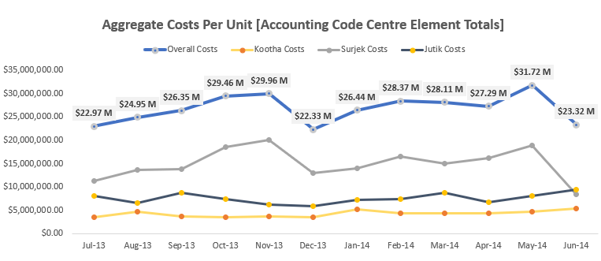

In the previous question, we've calculated the expenses at an aggregate level. You would have noticed some particularly high-costs for certain units that you'd be keen to dive into in more detail from a visual stand point. Let's do so!
Q8. Using the Totals for the Year Column (Column R) for each Unit (Kootha, Surjek and Jutik), create a chart which clearly shows the Total Costs for each Cost Element. You will end up with three (3) Column Charts that will let you see which of the Units Accounting Code Centre Elements drive the majority of costs. What trends have you noticed?
Kootha Expeses [Jul 2013-June 2014]
Surjek Expeses [Jul 2013-June 2014]
Jutik Expeses [Jul 2013-June 2014]
Total Expenses for 3 Products
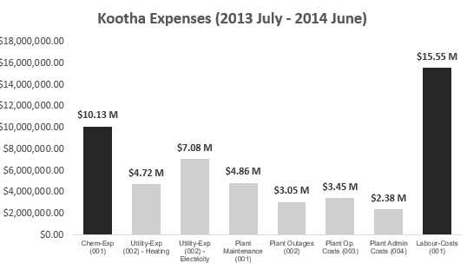

We've analysed the expenses data and we have a few questions. The costs for two of our Cost Elements is particularly high - could this potentially be related to the periods of high water production?
We can answer this question by using the Water Production Data that is available in the Data Repository Table.
However, it is important to note that for the water production data, it has been aggregated. This means we cannot see the separation between Soft / Hard Water Production.
This means in the analysis you will complete below, you can only make logical assumptions.
As a Data Analyst, you will not always have all the data you need to make a conclusion.
In cases like the one below, you will have to draw on logical conclusions from the data available to you and make a conclusion.
Q9. For each of the three units (Kootha, Surjek, Jutik), complete the table below that will show the monthly water production for each Unit as well as the monthly chemical expenditure. Once the table is complete, create two charts for each unit, showing the Chemical Costs and Water Production. What trends emerge when looking at the data in this manner? We've included an example for you so you can see what the Chart should look like!

Account Type | Unit | Value Driver | Accounting Code Centre | Accounting Code Centre Element | Jul-13 | Aug-13 | Sep-13 | Oct-13 | Nov-13 | Dec-13 | Jan-14 | Feb-14 | Mar-14 | Apr-14 | May-14 | Jun-14
Financial Actual | Kootha | Expenses | Chemical Costs | Chem-Exp (001) | $593,751.84 | $820,393.03 | $642,291.58 | $609,639.97 | $626,073.17 | $602,153.38 | $1,146,143.98 | $964,931.84 | $962,733.96 | $964,825.22 | $1,024,534.78 | $1,168,045.23
Water Production Actuals | Kootha | None | None | None | 181.933291 | 187.443943 | 184.773657 | 191.541093 | 98.096062 | 185.306853 | 186.901439 | 158.586765 | 191.403676 | 171.057864 | 169.286999 | 142.508717
Financial Actual | Surjek | Expenses | Chemical Costs | Chem-Exp (001) | $2,533,034.51 | $3,051,574.16 | $3,084,202.76 | $4,135,202.77 | $4,473,275.89 | $3,464,957.93 | $4,049,642.83 | $4,767,948.22 | $4,346,722.81 | $4,671,541.13 | $5,478,104.60 | $2,269,805.17
Water Production Actuals | Surjek | None | None | None | 214.968999 | 228.199051 | 216.536467 | 236.760276 | 232.052864 | 240.21016 | 288.160549 | 306.884524 | 367.651006 | 351.990166 | 362.822 | 260.3123
Financial Actual | Jutik | Expenses | Chemical Costs | Chem-Exp (001) | $1,625,596.34 | $1,295,067.85 | $1,750,624.88 | $1,472,529.39 | $1,252,200.49 | $1,406,782.67 | $1,877,449.50 | $1,912,219.18 | $2,266,625.20 | $2,234,200.57 | $2,593,715.64 | $2,274,807.79
Water Production Actuals | Jutik | None | None | None | 250.241991 | 206.740703 | 201.235461 | 174.369566 | 204.09105 | 146.356666 | 204.202497 | 217.430199 | 230.9822 | 236.441136 | 241.407369 | 220.380334

 |  |  |  |  | Kootha Chemical Cost Column Chart |  |  |  |  | Surjek Chemical Cost Column Chart |  |  |  |  | Jutik Chemical Cost Column Chart
Kootha Chemical Expenditure Costs
Surjek Chemical Expenditure Costs
Jutik Chemical Expenditure Costs
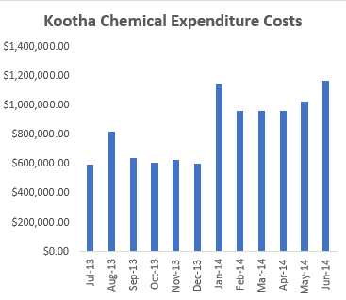

 |  |  |  |  | Kootha Water Production Volumes |  |  |  |  | Surjek Water Production Volumes |  |  |  |  | Jutik Water Production Volumes

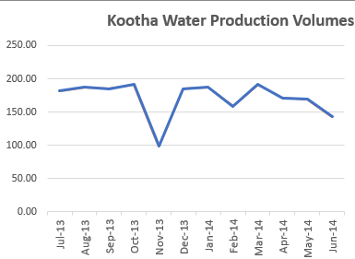
Kootha Water Production Volumes
Kootha Water Production Volumes
Kootha Water Production Volumes

Profitability EBIT Analysis
EBIT Analysis - Part III.
In Financial Data Analysis, EBIT Analysis, also known as Profitability Analysis, speaks primarily to understanding which product(s) are the most cashflow positive.
We're now at the final stage of the puzzle (Woo!); We've got the Revenues. We've got the Expenses. All that is now left is the EBIT and we're done!
Once we subtract our Expenses from our Revenues - we can find out how financially sound Southern Water Corp's Units actually are. Let's take one final look at Southern Water Corp's Data for the 2013 - 2014 Period and find out just how profitable the Unit(s) actually are. Additionally, we'll explore how we can use Ratio's to help us show which Unit(s) are most cost-effective from a Revenue to Expenses perspective.

Let's get started!

EBIT can be simply calculated as Revenues - COGS - Operating Expenses.
In the Southern Water Corp. Case Study, we have opted to wrap up our COGS as part of our overall Expenses to simplify the calculation for you.
Hence, the EBIT you will calculate will simply be: Revenues - Operating Expenses.

Q10. For each of the three Southern Water Corp. Desalination Plants (Kootha, Surjek and Jutik), please calculate the EBIT for each of these below. Are there any particular trend(s) that you're able to pick up / take note of with respect to the EBIT?
Upon completion of the table, please create two visuals that showcase: 1) Column Chart showing the Total EBIT (Profit) for Kootha, Surjek and Jutik 2) Stacked Column Chart showing the Monthly EBIT (Profit) for Kootha, Surjek and Jutik
Unit | Value Driver |  |  | Jul-13 | Aug-13 | Sep-13 | Oct-13 | Nov-13 | Dec-13 | Jan-14 | Feb-14 | Mar-14 | Apr-14 | May-14 | Jun-14 | Total

Kootha | Revenue |  |  | $5,914,581.20 | $5,696,664.24 | $5,260,681.83 | $5,221,955.49 | $5,514,147.17 | $5,380,892.20 | $7,822,599.72 | $6,924,324.63 | $7,297,789.39 | $5,332,240.42 | $5,394,917.14 | $5,184,163.87 | $70,944,957.30
Surjek | Revenue |  |  | $17,328,050.97 | $14,604,314.44 | $16,135,900.12 | $15,151,633.27 | $13,832,900.80 | $15,562,959.62 | $22,354,057.62 | $18,580,950.73 | $19,644,680.78 | $18,268,435.05 | $14,627,298.49 | $16,164,167.27 | $202,255,349.17
Jutik | Revenue |  |  | $12,716,846.79 | $13,050,243.88 | $13,235,472.92 | $11,815,762.27 | $11,881,724.45 | $11,127,131.81 | $15,491,089.40 | $15,776,843.23 | $14,151,791.64 | $15,011,361.79 | $14,286,635.35 | $15,120,321.85 | $163,665,225.38

Kootha | Expenses |  |  | $3,458,288.87 | $4,778,353.35 | $3,741,007.06 | $3,550,828.79 | $3,646,543.43 | $3,507,223.36 | $5,249,820.35 | $4,419,792.68 | $4,409,725.47 | $4,419,304.32 | $4,692,799.18 | $5,350,137.22 | $51,223,824.09
Surjek | Expenses |  |  | $11,339,551.17 | $13,660,880.33 | $13,806,947.68 | $18,511,924.38 | $20,025,365.09 | $12,958,942.64 | $13,987,466.32 | $16,468,493.16 | $15,013,580.58 | $16,135,503.05 | $18,921,373.30 | $8,489,071.32 | $179,319,099.04
Jutik | Expenses |  |  | $8,168,998.58 | $6,508,016.27 | $8,797,296.02 | $7,399,801.66 | $6,292,597.87 | $5,862,551.47 | $7,198,677.81 | $7,481,708.95 | $8,690,888.62 | $6,732,277.63 | $8,110,761.12 | $9,479,913.26 | $90,723,489.28

Kootha | EBIT |  |  | $2,456,292.33 | $918,310.89 | $1,519,674.77 | $1,671,126.70 | $1,867,603.74 | $1,873,668.84 | $2,572,779.37 | $2,504,531.95 | $2,888,063.92 | $912,936.10 | $702,117.95 | -$165,973.35 | $19,721,133.21
Surjek | EBIT |  |  | $5,988,499.80 | $943,434.10 | $2,328,952.44 | -$3,360,291.11 | -$6,192,464.29 | $2,604,016.98 | $8,366,591.30 | $2,112,457.57 | $4,631,100.20 | $2,132,931.99 | -$4,294,074.81 | $7,675,095.95 | $22,936,250.13
Jutik | EBIT |  |  | $4,547,848.21 | $6,542,227.61 | $4,438,176.90 | $4,415,960.60 | $5,589,126.57 | $5,264,580.34 | $8,292,411.59 | $8,295,134.28 | $5,460,903.02 | $8,279,084.16 | $6,175,874.23 | $5,640,408.59 | $72,941,736.10

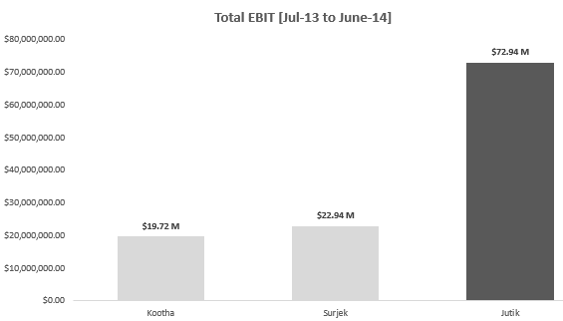
Total EBIT [July 2013- June 2014]
Monthly EBIT (Profit)

Among the three products: K, S, J, S is showing the most revenue generator, second by J and last Kootha. EBIT, earnings before interest and Taxes is performed to identify which of the three products are actually the real profit generating items by calculating Revenue- COGS- operating expenses. After the analysis J is the leading item showing the highest revenue generator with over $70M, then s with $22M and lastly $19M K. Now we have identified the actual item that brings the most profit: Jutik $70M+ while S performed with - profit 3x over the period averaging -$4M during those 3 events, K with one event of negative performances.

It's pretty clear from our EBIT Analysis, which Unit generates the highest EBIT Margins. However - to close out our analysis, let's also take a look from a Ratio Perspective. That is to say, of Kootha, Surjek and Jutik - which has the highest overall EBIT Margins? The EBIT Margin is calculated as EBIT / Revenue. Would this tell us a different story?
Let's close out our EBIT Analysis and find out! Q11. Of the three units (Kootha, Surjek and Jutik) - Which Unit has the highest overall EBIT Margin? Feel free to trend this out over the 12 Month Period (Jul-13 to June-14) or simply use the Total EBIT / Total Revenue for each Unit. (If you really want - you can use both!) What do you conclude?

Unit | Value Driver | Cost Centre | Cost Centre Element | Jul-13 | Aug-13 | Sep-13 | Oct-13 | Nov-13 | Dec-13 | Jan-14 | Feb-14 | Mar-14 | Apr-14 | May-14 | Jun-14 | Total

Kootha | EBIT |  |  | 41.53% | 16.12% | 28.89% | 32.00% | 33.87% | 34.82% | 32.89% | 36.17% | 39.57% | 17.12% | 13.01% | -3.20% | 27.80%
Surjek | EBIT |  |  | 34.56% | 6.46% | 14.43% | -22.18% | -44.77% | 16.73% | 37.43% | 11.37% | 23.57% | 11.68% | -29.36% | 47.48% | 11.34%
Jutik | EBIT |  |  | 35.76% | 50.13% | 33.53% | 37.37% | 47.04% | 47.31% | 53.53% | 52.58% | 38.59% | 55.15% | 43.23% | 37.30% | 44.57%

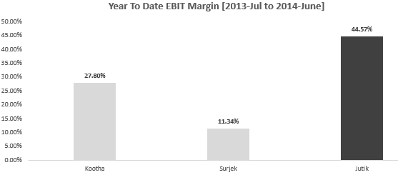
Year to Date EBIT Margin [July 2013-June 2014]

